Regatta Men Jackets line
brand | photo | collection | colours | XS | S | M | L | XL | XXL | XXXL | q.ty
Regatta | 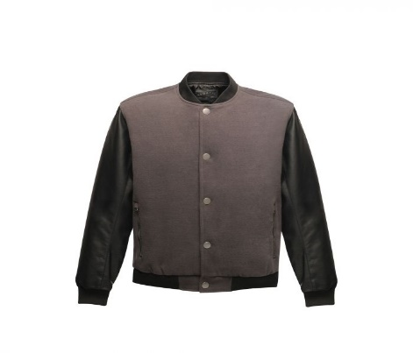 | Cornerhouse | Ash/Black | 25 | 25 | 98 | 122 | 78 | 32 | 10 | 390
 | 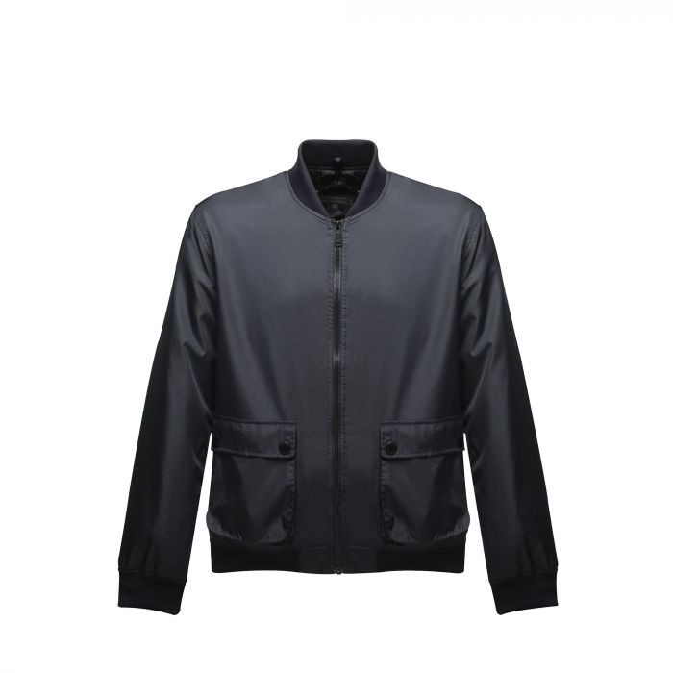 | Castlefield | Dk Khaki | 24 | 13 | 36 | 58 | 36 | 15 | 9 | 191
Regatta |  |  | Navy | 25 | 8 | 38 | 60 | 42 | 16 | 8 | 197
 |  |  | Black | 25 | 9 | 33 | 46 | 27 | 5 | 5 | 150
 | 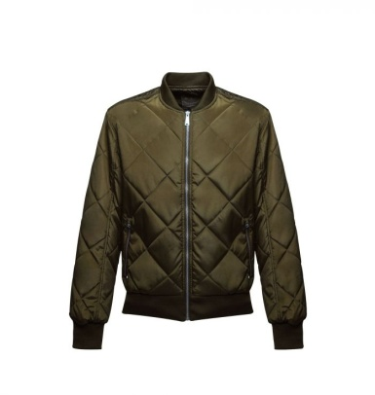 | Fallowfield | Navy | 1 | 2 | 1 | 2 | 1 | 3 | 3 | 13
Regatta |  |  | Dark khaki | 1 | 1 | 1 | 1 | 1 | 2 | 2 | 9
Regatta |  | Classic Insulated Jacket | Red |  | 23 | 43 | 19 | 2 | 2 |  | 89
 |  |  |  |  |  |  |  |  |  |  | 1,039

